Quiz
Correct | 0 | Possible | Column | Number | Row | Currency | Text | Formula Bar
Incorrect | 0 | Answers | Title Bar | Menu Bar | Tool Bar | B12 | Name Box | Worksheet

 |  | Please type your answer in the red boxes.

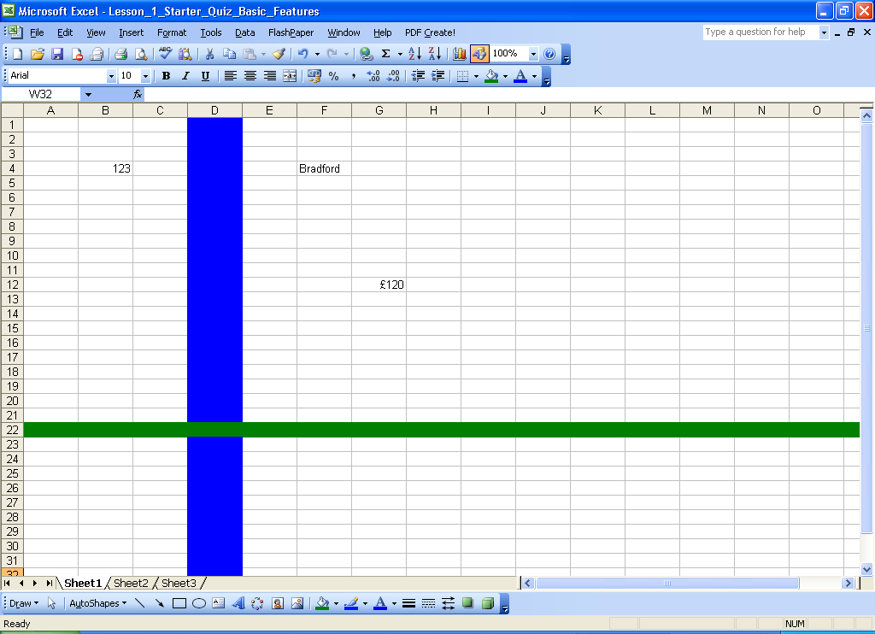
 | What is this called? |  |  |  |  |  |  |  | What is this called?

 | What is this called? |  |  |  |  |  |  |  | What is this called?

 |  |  |  |  |  |  |  |  | What data type is this?

 | What data type is this?

 |  |  |  |  |  |  |  |  | What data type is this?

 | What is this called?

 |  |  |  | What cell reference is this? |  |  |  | What is this blue bar called? | What is this green bar called?

