Mystery
Can you solve the Crimes?

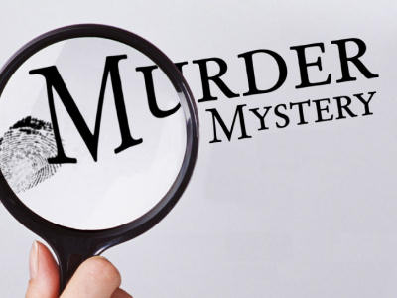

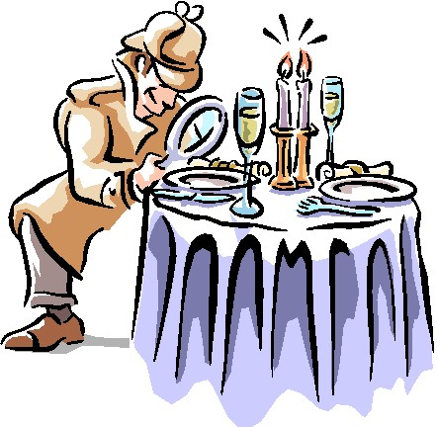
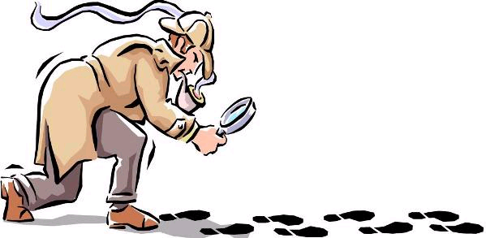

And become the worlds greatest detective

Key Words Menu
Key Words a Detective needs to know

Key Words

Table

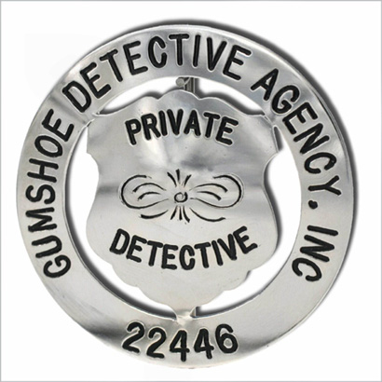

Click on the buttons to find out what these Key Words mean
When you have revised the Key Words click on the arrow
Record

Field

Click here when you are ready to take your detective test

Test 2
Detective Test 2
 | Using the suspects table on the previous page answer the following questions.
 | Questions | Answer
1 | How many people have brown hair?
2 | How many people are either Blood group A OR B?
3 | How many Men are German?
4 | How many women are taller than 1 metre 80 cm?
5 | What colour hair does the Spanish Man have?
6 | How many women have a tatoo?
7 | What is the Surname of the deaf man with black hair?
8 | How many men aged between 20 and 30 have a Scar?
9 | How tall in meteres is the oldest bald man with a beard?
10 | What is the Name of the American most likely to have lung Cancer?

Click here to use the Suspects table
 | You have got | 0 | out of | 10 | right
 |  |  |  |  |  | 0
 |  |  |  |  |  | 1 | 4c
 |  |  |  |  |  | 2 | 4b
 |  |  |  |  |  | 3 | 4a
 |  |  |  |  |  | 4 | 5c
 |  |  |  |  |  | 5 | 5c
 |  |  |  |  |  | 6 | 5c
 |  |  |  |  |  | 7 | 5c
 |  |  |  |  |  | 8 | 5b
 |  |  |  |  |  | 9 | 5a
 |  |  |  |  |  | 10 | 6c

Suspects Table
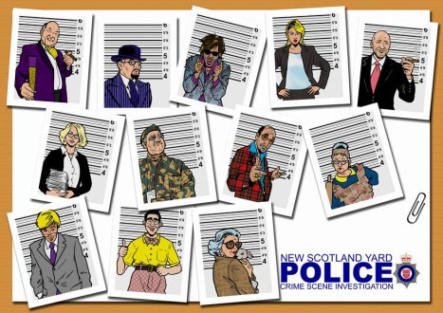
Click on the button below to go back to the questions on Test 2
 | Suspects Database

 |  | Name | Surname | Sex | Age | Height (m) | Hair | Passport | Features | Blood
 | 1 | Brian | Malone | Male | 23 | 1.5 | Black | American | Moustache | A
 | 2 | Emma | Hunter | Female | 31 | 1.67 | Blonde | None | Glasses | O
 | 3 | Reggie | Smith | Male | 68 | 1.71 | Bald | None | Tattoo | A
 | 4 | Pete | Bradshaw | Male | 34 | 1.95 | Black | None | Scar | B
 | 5 | Cynthia | Brown | Female | 19 | 1.65 | Brown | None | Earring | O
 | 6 | Max | Schmidt | Male | 32 | 1.67 | Fair | German | Earring | B
 | 7 | Pat | Wood | Male | 65 | 1.6 | Black | None | Tattoo | A
 | 8 | Frank | Lamb | Male | 55 | 1.72 | Bald | None | Beard | B
This is the Suspects Database you will be using this to solve all of your crimes make sure you know how to filter the data and clear the filters.
 | 9 | Rosemary | Fisher | Female | 18 | 1.75 | Brown | None | Smoker | O
 | 10 | Patricia | Flynn | Female | 25 | 1.62 | Black | None | Limps | B
 | 11 | Steffi | Braun | Female | 44 | 1.71 | Blonde | German | Glasses | A
 | 12 | Susanne | Le Bon | Female | 30 | 1.73 | Black | French | Eye patch | O
 | 13 | Kevin | Carter | Male | 35 | 1.61 | Brown | None | Moustache | O
 | 14 | Boris | Weiss | Male | 17 | 1.69 | Black | German | Earring | B
 | 15 | Rose | Wilson | Female | 33 | 1.9 | Blonde | None | Earring | A
 | 16 | David | Evans | Male | 29 | 1.69 | Brown | None | Deaf | O
 | 17 | Basil | Smith | Male | 35 | 1.75 | Bald | None | Eye patch | B
We use Filters to select specific information from the Table . Click on a triangle next to Sex and you will see you can tick a box next to either Male or Female or Select All. Try unticking the boxes and only selecting ticking Male and see what happens. This is called Filtering or Querying our Table. We can filter or Query on more than one field at a time. See if you can tell me how many Female subjects have the surname Flynn? | 18 | Jose | Sebastien | Male | 35 | 1.74 | Black | Spanish | Moustache | A
 | 19 | William | Hacker | Male | 26 | 1.62 | Black | None | Beard | A
 | 20 | Sean | Head | Male | 47 | 1.69 | Black | None | Moustache | B
 | 21 | Reggie | Smart | Male | 36 | 1.81 | Black | None | Deaf | O
 | 22 | Rita | Ferrari | Female | 29 | 1.81 | Black | Spanish | Tattoo | O
 | 23 | Matthew | Morgan | Male | 65 | 1.76 | Bald | American | Glasses | O
 | 24 | Martin | Mitchell | Male | 53 | 1.96 | Fair | None | Scar | O
 | 25 | Mary | Morris | Female | 28 | 1.9 | Black | None | Earring | A
 | 26 | Stanley | Smith | Male | 19 | 1.77 | Fair | American | Smoker | O
 | 27 | Toby | Gunne | Male | 17 | 1.66 | Brown | None | Deaf | A
 | 28 | Patrick | Brown | Male | 24 | 2.08 | Black | None | Scar | B
 | 29 | Francis | Morgan | Male | 18 | 1.64 | Brown | None | Glasses | A
 | 30 | Marie | Estelle | Female | 22 | 1.63 | Black | French | Glasses | B
 | 31 | John | Harris | Male | 39 | 1.64 | Brown | None | Scar | A
 | 32 | Sam | Smart | Male | 30 | 1.72 | Fair | None | Limps | O
 | 33 | Alan | DaSilva | Male | 29 | 1.94 | Brown | American | Moustache | O
 | 34 | Ruth | Flynn | Female | 56 | 1.86 | Black | None | Perfume | A
 | 35 | Andrew | Campbell | Male | 30 | 1.66 | Fair | None | Scar | O
 | 36 | Pierre | Blanc | Male | 65 | 1.65 | Black | French | Moustache | B
 | 37 | Lucy | Smith | Female | 55 | 1.68 | Blonde | None | Smoker | A
 | 38 | Sonnie | Bakker | Female | 65 | 1.75 | Blonde | Dutch | Glasses | O
 | 39 | Percy | Blake | Male | 25 | 1.57 | Black | None | Scar | A
 | 40 | Jim | Wilton | Male | 21 | 1.71 | Brown | None | Tattoo | O
 | 41 | Sam | Simpson | Male | 41 | 1.56 | Brown | American | Limps | O
 | 42 | Harry | Sloan | Male | 33 | 1.54 | Brown | American | Earring | O
 | 43 | Patricia | Bryant | Female | 41 | 1.79 | Blonde | None | Perfume | A
 | 44 | Mike | Grant | Male | 67 | 1.69 | Bald | None | Beard | B
 | 45 | Claude | Hopper | Male | 18 | 1.62 | Fair | French | Limps | A
 | 46 | Percy | Smith | Male | 54 | 1.75 | Brown | None | Eye patch | A
 | 47 | John | Dobson | Male | 31 | 1.74 | Brown | None | Glasses | O
 | 48 | Mary | Walsh | Female | 41 | 1.8 | Blonde | None | Earring | A
 | 49 | Wolfgang | Rifter | Male | 27 | 1.63 | Fair | German | Beard | B
 | 50 | Steve | Smith | Male | 45 | 1.54 | Fair | None | Eye patch | O

Suspects Table (2)
Click on the buttons below to go back to the correct case
 | Suspects Database

 |  | Name | Surname | Sex | Age | Height (m) | Hair | Passport | Features | Blood
 | 1 | Brian | Malone | Male | 23 | 1.5 | Black | American | Moustache | A
 | 2 | Emma | Hunter | Female | 31 | 1.67 | Blonde | None | Glasses | O
 | 3 | Reggie | Smith | Male | 68 | 1.71 | Bald | None | Tattoo | A
 | 4 | Pete | Bradshaw | Male | 34 | 1.95 | Black | None | Scar | B
 | 5 | Cynthia | Brown | Female | 19 | 1.65 | Brown | None | Earring | O
 | 6 | Max | Schmidt | Male | 32 | 1.67 | Fair | German | Earring | B
 | 7 | Pat | Wood | Male | 65 | 1.6 | Black | None | Tattoo | A
Practice
 | 8 | Frank | Lamb | Male | 55 | 1.72 | Bald | None | Beard | B
This is the Suspects Database you will be using this to solve all of your crimes make sure you know how to filter the data and clear the filters.
 | 9 | Rosemary | Fisher | Female | 18 | 1.75 | Brown | None | Smoker | O
 | 10 | Patricia | Flynn | Female | 25 | 1.62 | Black | None | Limps | B
Case 1
 | 11 | Steffi | Braun | Female | 44 | 1.71 | Blonde | German | Glasses | A
 | 12 | Susanne | Le Bon | Female | 30 | 1.73 | Black | French | Eye patch | O
 | 13 | Kevin | Carter | Male | 35 | 1.61 | Brown | None | Moustache | O
Case 2
 | 14 | Boris | Weiss | Male | 17 | 1.69 | Black | German | Earring | B
 | 15 | Rose | Wilson | Female | 33 | 1.9 | Blonde | None | Earring | A
 | 16 | David | Evans | Male | 29 | 1.69 | Brown | None | Deaf | O
Case 3
 | 17 | Basil | Smith | Male | 35 | 1.75 | Bald | None | Eye patch | B
We use Filters to select specific information from the Table . Click on a triangle next to Sex and you will see you can tick a box next to either Male or Female or Select All. Try unticking the boxes and only selecting ticking Male and see what happens. This is called Filtering or Querying our Table. We can filter or Query on more than one field at a time. See if you can tell me how many Female subjects have the surname Flynn? | 18 | Jose | Sebastien | Male | 35 | 1.74 | Black | Spanish | Moustache | A
 | 19 | William | Hacker | Male | 26 | 1.62 | Black | None | Beard | A
Case 4
 | 20 | Sean | Head | Male | 47 | 1.69 | Black | None | Moustache | B
 | 21 | Reggie | Smart | Male | 36 | 1.81 | Black | None | Deaf | O
 | 22 | Rita | Ferrari | Female | 29 | 1.81 | Black | Spanish | Tattoo | O
 | 23 | Matthew | Morgan | Male | 65 | 1.76 | Bald | American | Glasses | O
Case 5
 | 24 | Martin | Mitchell | Male | 53 | 1.96 | Fair | None | Scar | O
 | 25 | Mary | Morris | Female | 28 | 1.9 | Black | None | Earring | A
 | 26 | Stanley | Smith | Male | 19 | 1.77 | Fair | American | Smoker | O
 | 27 | Toby | Gunne | Male | 17 | 1.66 | Brown | None | Deaf | A
 | 28 | Patrick | Brown | Male | 24 | 2.08 | Black | None | Scar | B
 | 29 | Francis | Morgan | Male | 18 | 1.64 | Brown | None | Glasses | A
 | 30 | Marie | Estelle | Female | 22 | 1.63 | Black | French | Glasses | B
 | 31 | John | Harris | Male | 39 | 1.64 | Brown | None | Scar | A
 | 32 | Sam | Smart | Male | 30 | 1.72 | Fair | None | Limps | O
 | 33 | Alan | DaSilva | Male | 29 | 1.94 | Brown | American | Moustache | O
 | 34 | Ruth | Flynn | Female | 56 | 1.86 | Black | None | Perfume | A
 | 35 | Andrew | Campbell | Male | 30 | 1.66 | Fair | None | Scar | O
 | 36 | Pierre | Blanc | Male | 65 | 1.65 | Black | French | Moustache | B
 | 37 | Lucy | Smith | Female | 55 | 1.68 | Blonde | None | Smoker | A
 | 38 | Sonnie | Bakker | Female | 65 | 1.75 | Blonde | Dutch | Glasses | O
 | 39 | Percy | Blake | Male | 25 | 1.57 | Black | None | Scar | A
 | 40 | Jim | Wilton | Male | 21 | 1.71 | Brown | None | Tattoo | O
 | 41 | Sam | Simpson | Male | 41 | 1.56 | Brown | American | Limps | O
 | 42 | Harry | Sloan | Male | 33 | 1.54 | Brown | American | Earring | O
 | 43 | Patricia | Bryant | Female | 41 | 1.79 | Blonde | None | Perfume | A
 | 44 | Mike | Grant | Male | 67 | 1.69 | Bald | None | Beard | B
 | 45 | Claude | Hopper | Male | 18 | 1.62 | Fair | French | Limps | A
 | 46 | Percy | Smith | Male | 54 | 1.75 | Brown | None | Eye patch | A
 | 47 | John | Dobson | Male | 31 | 1.74 | Brown | None | Glasses | O
 | 48 | Mary | Walsh | Female | 41 | 1.8 | Blonde | None | Earring | A
 | 49 | Wolfgang | Rifter | Male | 27 | 1.63 | Fair | German | Beard | B
 | 50 | Steve | Smith | Male | 45 | 1.54 | Fair | None | Eye patch | O

Practice
Practice Case | Suspects
The Stolen Statue
 | Write any Suspects names here:
Witness No. 1:
Lord Duncan (Lord of the Manor), Age 61, Height 1.70m

Witness No. 2:
Lady Duncan (Her Ladyship), Age 59, Height 1.64m

Sherlock Holmes:
Lord Duncan, could you please describe the theft?

Lord Duncan: | Culprit
We were returning from the Ball and as we entered the driveway the alarm bell rang out loudly. I jumped out of the Rolls and went to investigate. A figure just a little shorter than me ran past carrying a dufflebag. | Write down the name of the person who you think commited the crime in the box below:

Sherlock Holmes:
What happened next?

Lady Duncan: | Write down why you think it was that person in the box below.
As the person was running past me, I struck out with my umbrella. The person fell to the ground but scrambled up and escaped into the night.

Sherlock Holmes:
Lady Duncan, you must have injured the thief. Dr Watson, please test the blood sample that I found on these broken spectacles.

Click here to go back to suspects table
Dr Watson:
I've made a drawing of some footprints found outside the broken window. It looks as if our thief was wearing high heels. By the way, the blood sample belongs to Group O.

Case 1
Case 1: The Lagan Canal Mystery | Suspects

 | Write any Suspects names here:
Witness No. 1:
Mr Jimmy Jones (Storeman), Age 47, Height 1.89m

The suspected kidnapping of Mr Smith has been reported to the police by Mr Jones who witnessed the crime. Sherlock Holmes and Dr Watson have been asked by the police to investigate the attack.

Sherlock Holmes:
Tell me what you saw?

Mr Jones:
I was out walking my dog Jasper on our usual route along the tow path. As we turned around the bend I saw two men struggling with each other. Suddenly one of the men threw the other into the hedge. He ran off when Jasper started to bark. | Culprit
 | Write down the name of the person who you think commited the crime in the box below:
Dr Watson:
What happened next?

Mr Jones:
I ran up to the spot but there was no sign of anybody, so I immediately went to inform the police about the attack. | Write down why you think it was that person in the box below.

Sherlock Holmes:
Can you remember anything about the man's appearance?

Mr Jones:
He was bald, had a beard, and seemed to be in his fifties.

Click here to go back to suspects table

Case 2
Case 2: Car Theft | Suspects

 | Write any Suspects names here:
Witness No. 1:
Cyril Shaw (Retired), Age 66, Hair Bald

Sherlock Holmes:
How was your car stolen, Mr Shaw?

Mr Shaw:
I was leaving my daughter's house in Luton at approximately 11.50pm, and just about to get into my car when a man asked me if I had any gum. When I reached to get it he hit me over the head with a stick. He grabbed my keys, started the engine and roared away in a great hurry. I noticed a tattoo on his left arm.

Sherlock Holmes: | Culprit
Can you tell me anything else? | Write down the name of the person who you think commited the crime in the box below:

Mr Shaw:
He was quite old, I would say that he was about the same age as myself.

Dr Watson: | Write down why you think it was that person in the box below.
Did you notice anything about his hair?

Mr Shaw:
It was very dark, probably black.

Click here to go back to suspects table

Case 3
Case 3: The Mugging of Mrs Walsh | Suspects

 | Write any Suspects names here:
Witness No. 1:
Mrs Walsh (Senior Citizen), Hair Black, Height 1.69m

Sherlock Holmes:
Can you please explain in your own words what actually happened?

Mrs Walsh:
I was returning from the Post Office after collecting my pension, when a man grabbed my purse. I tried in vain to stop him but he pushed me over and made off with my money.

Sherlock Holmes: | Culprit
Can you describe the mugger? | Write down the name of the person who you think commited the crime in the box below:

Mrs Walsh:
He was bald and spoke with a gruff voice He was larger than me, and, oh yes, there was a picture of a snake on his right arm.

Dr Watson: | Write down why you think it was that person in the box below.
Can you make a guess as to how old he was?

Mrs Walsh:
He was definitely older than me.

Click here to go back to suspects table

Case 4
Case 4: The Missing Secret Agent | Suspects

 | Write any Suspects names here:
Witness No. 1:
Dale Connolly (Radio Operator), Age 44

Sherlock Holmes and Dr Watson have been asked by the Head of MI5 to help them with their investigation into the mysterious disappearance of secret agent 006, who had been trying to uncover the identify of a 'mole' working in the British Secret Service. Nothing had been heard from 006 since his disappearance two months ago, until last night at 11.30pm when an unexpected morse code message was received from him.

Sherlock Holmes:
Has the message been deciphered?

Mr Connolly:
When his message was decoded it was found to contain a second code. As yet, we have been unable to crack it. Here is the message. | Culprit
 | Write down the name of the person who you think commited the crime in the box below:
+2
G YK ZCGLE FCJB NPGQMLCP ZWY GL FGQ '3M'Q. FC FYQ ZJYAI FYGP ZSR G QSQNCAR RFYR GR TYQ ZCCL BWCB. FC FYQ Y JMLE NMGLRCB LMQC YLB KMQR GKNMPRYLR MD YJJ FGQ PGEFR CWC GQ AMTCPCB ZW Y ZJYAI NYRAF. FCJN QMKCMLC GQ AMKG …

Dr Watson:
I'm sure that the brilliant brain of Sherlock Holmes will soon unravel the message's hidden content. | Write down why you think it was that person in the box below.

Sherlock Holmes:
It appears to be an elementary code my dear Watson. I am confident that an arrest will soon be made and that agent 006 will once again be free.

Click here to go back to suspects table

Case 5
Case 5: Attempted Murder at the Jewellers | Suspects
...
Sherlock Holmes:
Tell me Mr Reid what happened next?

Mr Reid: | Write down why you think it was that person in the box below.
I was serving another customer when I heard Mr Tomkins yelling “stop thief”. Just then the woman drew out a revolver and shot at Mr Tomkins at close range. She ran out through the open door and escaped into the lunchtime crowds.

Click here to go back to suspects table

Table
Table

Table
A Table is the place where we keep all of the information for a specific thing like a person or a car or a song.
A database can contain lots of tables.
The place where all the suspects information is held is called a TABLE

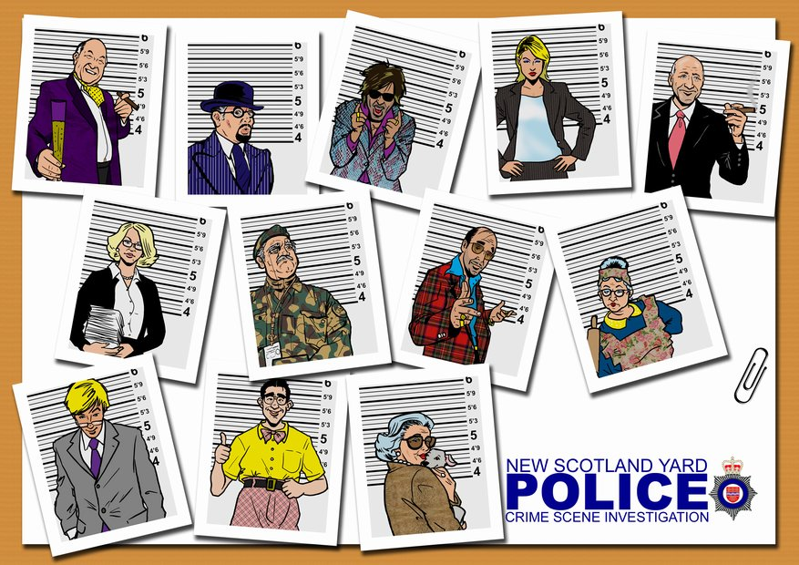

Click here to go back to the menu.

Record
Record

A RECORD contains all of the information about one of our suspects.

Record
A Table contains rows and each row is a Record. Each one containing all of the information we need to know about a single subject of our table.
A Table contains lots of Records

Click here to go back to the menu.

Field
Field

A Field contains a sigle piece of information about one of our suspects like Name, Age, Hair Colour etc..

Field
A Table contains columns and each Column is a Field. Fields tell us specific information about a person or thing in our table
A Record is made up of lots of Fields.
Click here to go back to the menu.

